ITP-007
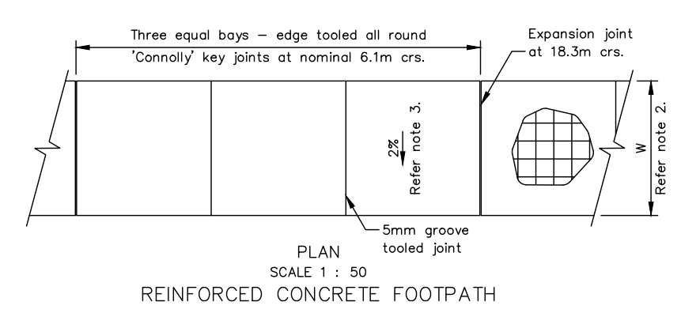
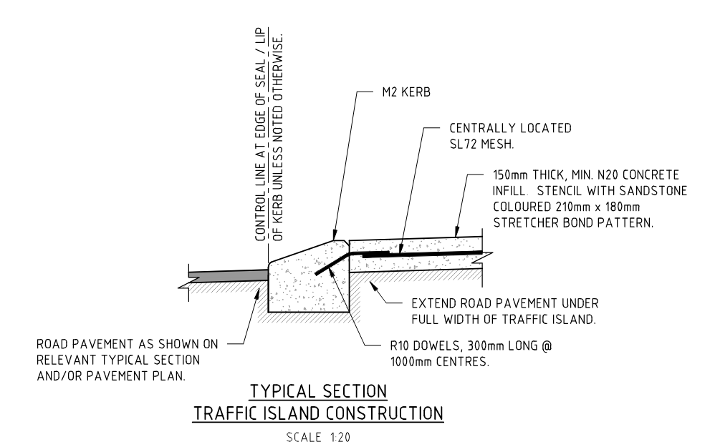
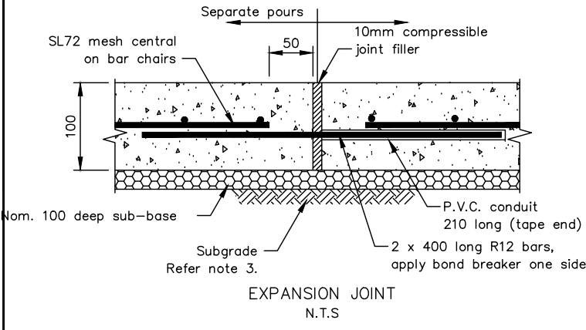
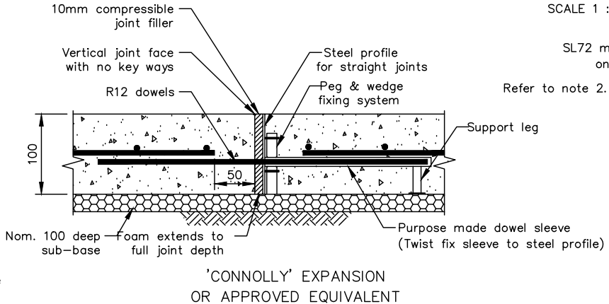
 |  |  | Inspection and Test Plan - Control and Supervision of the Works |  |  |  |  |  |  |  | DTM-ITP-007
 |  |  |  |  |  |  |  |  |  |  | Revision : 0 | Date : 03/10/2024

Client: |  | Department of State Growth |  | Construction Process: |  | Prepared by: |  | Reviewed by : |  |  | Approved by :
Project: |  | Davey To Macquarie Street Connection - Roadworks |  | Concrete - Kerb, Island Infills, Footpath and Mowing Strip |  | Name: | Mileva Savic | Name: | Sam Arnold |  | Name: | Sam Arnold
Contract No: |  | 3741 |  | Specifications: Specification Section 610, 703
 |  |  |  | Structure / Component: Concrete - Kerb, Island infills, Footpath and Mowing Strip |  | Signed : |  | Signed : |  |  | Signed :
 |  |  |  | Location: Davey to Macquarie - CH9768 to CH10240 |  | Date : |  | Date : |  |  | Date :

Lot No: |  |  | Lot Details: |  |  |  |  |  | Lot Size/ Quantity:

Item | Task/Activity Description |  | Inspection / Controls and Verification Detail |  |  |  |  | HP/ WP/ AP/ IP/ TP/ SCP | Responsibility | Checked by:
No. |  |  | Frequency | Acceptance Criteria | Reference Documents | Inspection / Test Method | Record of conformity |  | Project Engineer Site Engineer Superintendent Surveyor Foreman | Client | Fulton Hogan | QAV | Date
1 | Preliminary Works
1.1 | Check for correct documentation |  | Prior to commencing any activity | Ensure that all employees and subcontractors are: - using the correct and complete set of drawings - all drawings are the latest revision | Drawings and drawing registers | Visual inspection | ITP Signed | HP* | Site Engineer/ Site Foreman | N/A |  | N/A
1.2 | Implementation of all measures and controls |  | Prior to commencing any activity | All necessary measures and controls are being implemented, that is: PSP, EMP, TMP, SWMS & WP | PSP, EMP, TMP, SWMS, WP | Visual Inspection | ITP Signed | HP* | Site Engineer/ Site Foreman | N/A |  | N/A
1.3 | Submission & Approval of Concrete Mix Design |  | Prior to first concrete pour | The Contractor shall submit the concrete mix design details for review by the Superintendent not less than 4 weeks prior to the placement of concrete. Concrete shall not be placed until the mix design has been reviewed by the Superintendent | 610.07(b) | Verify | ITP Signed Mix design approval | HP | Site Engineer/ Superintendent |  |  | N/A
2 | Construction Works
2.1 | Setting Out |  | Prior to start | Set out work in accordance with drawings. The superintendent will review and confirm set out. The alignment and survey/level pegs will be indicated to the Contractor on the Site by the Superintendent prior to the commencement of work. No survey/level pegs to be removed by any persons until completion of works | 703.17 | Verify | This ITP Signed | HP | Site Engineer/ QAV | N/A
2.2 | Excavation Permit |  | Each lot | An excavation permit must be issued prior to any excavation commencing. Plant and equipment shall be appropriate for the task. Excavation operations shall not disturb areas outside the limit of excavation | Excavation permit | Verify | ITP Signed | HP* | Site Engineer | N/A |  | N/A
2.3 | Excavation |  | Each Lot | Excavation completed to required depth to allow placement of the bedding layer | 703.20 | Verify | ITP Signed | IP | Site Engineer | N/A |  | N/A
2.4 | Bedding |  | Each Lot | - Depth and type of bedding material varies, refer to IFC and LGAT drawings - Bedding shall be not less than 150 mm thick compacted for shared use paths -Bedding shall be not less than 100 mm compacted thickness for footpaths and other surfacings - Bedding trimmed, moistened, and compacted | 703.21 Drawings LGAT standard drawings | Visual Inspection | ITP Signed | IP | Site Foreman | N/A |  | N/A
2.5 | Formwork |  | Each Lot | Formwork shall comply with the requirements of AS 3610 | 703.12 AS 3610 | Verify | ITP Signed | IP | Site Engineer | N/A |  | N/A
2.6 | Reinforcement |  | Each Lot | Reinforment used shall consist of SL72 mesh is to be placed with a minimum cover of 50mm from the top (unless shown otherwise on drawings). Reinforcement must comply with the requirements of AS/NZS 4671 | 703.13, 703.16 LGAT TSD-R18 | Verify | ITP Signed, Pre Pour Checklist | IP | Site Engineer | N/A |  | N/A
2.7 | Sampling Strength and Consistency |  | Each 50m3 | Sampling and testing of the strength of concrete shall be carried out in accordance with clause 6.2 of AS 1379. The consistency of the concrete shall be determined by a slump test of each concrete strength sample in accordance with AS 1012.3 and clause 5.2 of AS 1379. The temperature of concrete,measured immediately prior to placing, shall not be less than 10°C or greater than 32°C. | 703.11, Table 703.111, 703.09, 610.17, AS1379 | Pre Pour Checklist | ITP Signed, Pre Pour Checklist | IP | Site Engineer | N/A |  | N/A
2.8 | Concrete Placement |  | Each Lot | Concrete shall be thoroughly compaction via contious tamping and internal vibration. Where concrete is unformed it shall be hand tamped to a smooth surface and screeded in accordance with the construction drawings. Where fresh concrete is being placed against concrete which has taken initial set a properly formed construction joint must be used. - N20 for island infills - N25 for footpath, mowing strip, pram ramps - N32 for kerb | 703.05(a) 703.08, AS1379 | Visual Inspection | ITP Signed, Pre Pour Checklist | IP | Site Engineer/ Site Foreman | N/A |  | N/A
2.9 | Record location of each batch |  | Each concrete pour | Batch location recorded on Load Batch Traceability Checklist | 610.15 | Checklist | This ITP Signed, Load batch tracebility checklist | IP | Site Engineer | N/A |  | N/A
2.10 | Surface Finish |  | Each Lot | Concrete elements shall have a Class 3 surface finish (Good visual quality when viewed as a whole) for external surfaces and a Class 4 surface finish (Texture not important. Good general alignment) for permanently hidden surfaces in accordance with AS 3610. Footpaths and other Surfacing shall be compelted with a wooden float. | 703.25 | Visual Inspection | This ITP Signed | IP | Fulton Hogan Engineer | N/A |  | N/A
2.11 | Pram Crossings |  | Each Lot | Ensure that pram crossings are constructed in accordance with requirements for access and mobility. - Type A and B pram crossings to be constructed as per LGAT Drawings TSD-R18 | IFC Drawings, LGAT TSD-R18 | Verify | This ITP Signed | IP | Site Engineer/ Site Foreman | N/A |  | N/A
2.12 | Driveways - Acommodation Works |  | Each Lot | Driveways to be constructed as per Accommodation Works Drawings and LGAT Drawings TSD-R09 | IFC Drawings, LGAT TSD-R09, Accommodation Works Drawings | Verify | This ITP Signed | IP | Site Engineer/ Site Foreman | N/A |  | N/A
2.13 | Joints |  | Each Joint | Expansion joints shall be installated at 18.3m regular intervals using 10mm compressible joint filler. Connolly joints at 6.1m regular intervals. Prevent bonding between edging and surfacing. Either paint back of edging with bitumen or use a strip of bituminous felt material. | 703.26, LGAT TSD-R11-v1 | Visual Inspection | This ITP Signed | IP | Site Engineer/ Site Foreman | N/A |  | N/A
2.14 | Protection of concrete |  | Each Lot | All concrete shall be protected from damage from early loading by pedestrians, animals, vehicles and from rain or any other cause. No crossing until a minimum of 4 days from casting of concrete. Vehicles equal to or less than 1.5 tonnes in weight may be permitted to cross after 4 days, vehicles greater than 1.5 tonnes may be permitted to cross after 7 days. | 703.27 | Verify | This ITP Signed | IP | Site Foreman | N/A |  | N/A
2.15 | Curing |  | Each Lot | Concrete shall be cured immediately either by water curing, wet hessian, polyethylene sheeting which is adequately sealed, curing compound or a combination of these. Curing compounds shall comply with AS 3799. The curing compound shall be applied in two coats using a fine spray at the rate stated on the certificate of compliance | 703.10 | Verify | This ITP Signed, Post Pour Checklist | IP | Site Engineer/ Site Foreman | N/A |  | N/A
3 | Completion
3.1 | Tolerances |  | Each Lot | Where matching in with existing surface levels, the new surface shall be within ± 5mm existing. Section dimensions shall be constructed within the following tolerances: - 5mm and 15mm for width; or - ±3mm for dimensions less than 25mm. | 703.15 Drawings | As-Built Records | This ITP Signed | IP | Site Engineer/ Site Foreman | N/A |  | N/A
3.2 | Backfilling |  | Each Lot | After curing, no earlier than 3 days, backfilling shall be completed as per the below: - Topsoil compacted in layers < 150mm - Width ≥ 300mm behind edging to top of edging | 703.29 | Verify | This ITP Signed | IP | Site Foreman | N/A |  | N/A
3.3 | Compressive Strength Conformance |  | Each Lot | The minimum compressive strength requirements for each concrete grade shall be as shown in Table 703.111. Compressive strength testing shall not be required for concrete used in extruded kerbs. | 703.11, Table 703.111 | Verify | This ITP Signed, Test records | IP | Site Engineer | N/A |  | N/A

 | Final Inspection
 | The signature below verifies that this ITP has been completed in accordance with the FH’s Quality system Procedures and verifies lot compliance with specifications.
 | Print Name: |  | Position: |  | Signature: |  |  |  |  | Date: / /

Legend
HP | Hold Point | Work shall not proceed past the HP until released by the Superintendent |  |  | IP | Inspection point |  | Formal Inspection to be done and recorded
HP* | FH Hold Point | Work shall not proceed past the HP* until released by FH |  |  | TP | Test Point |  | Product compliance test to be undertaken and recorded/reported
WP | Witness Point | An inspection which must be witnessed by the Superintendent |  |  | SCP | Survey conformance point |  | A qualified surveyor to check product/section/structure and report
AP | Approval Point | Written or verbal approval given by the Superintendent

